Sheet1
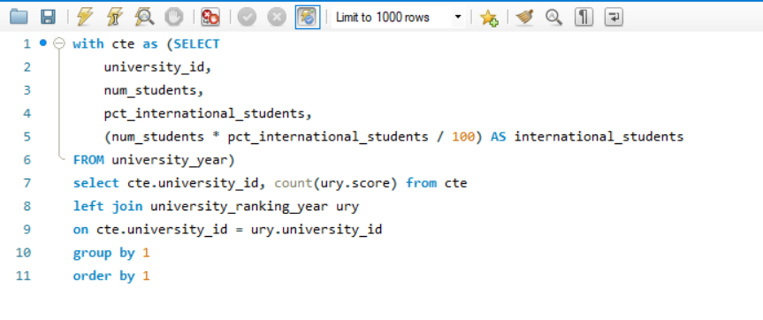
How does the choice of ranking system affect a university's international student enrollment?

